Temperature Profile Comparison
Temperature Profile Comparison
 | Chipquik TS391AX50 |  | Standard 63Sn/37Pb Leaded Profile |  | Custom 1 Profile |  | Custom 2 Profile
0 | 50 | 0 | 50 | 0 | 50 | 0 | 50
10 | 50 | 10 | 50 | 10 | 50 | 10 | 50
20 | 50 | 20 | 50 | 20 | 50 | 20 | 50
30 | 75 | 30 | 60 | 30 | 60 | 30 | 60
40 | 100 | 40 | 73 | 40 | 73 | 40 | 73
50 | 105.55555556 | 50 | 86 | 50 | 86 | 50 | 86
60 | 111.11111111 | 60 | 100 | 60 | 100 | 60 | 100
70 | 116.66666667 | 70 | 113 | 70 | 113 | 70 | 113
80 | 122.22222222 | 80 | 126 | 80 | 126 | 80 | 126
90 | 127.77777778 | 90 | 140 | 90 | 140 | 90 | 140
100 | 133.33333333 | 100 | 143 | 100 | 143 | 100 | 143
110 | 138.88888889 | 110 | 147 | 110 | 147 | 110 | 147
120 | 144.44444444 | 120 | 150 | 120 | 150 | 120 | 150
130 | 150 | 130 | 154 | 130 | 154 | 130 | 154
140 | 161 | 140 | 157 | 140 | 157 | 140 | 157
150 | 172 | 150 | 161 | 150 | 161 | 150 | 161
160 | 183 | 160 | 164 | 160 | 164 | 160 | 164
170 | 191.66666667 | 170 | 168 | 170 | 168 | 170 | 168
180 | 200.33333333 | 180 | 171 | 180 | 171 | 180 | 171
190 | 209 | 190 | 175 | 190 | 175 | 190 | 175
200 | 217.66666667 | 200 | 179 | 200 | 184 | 200 | 185
210 | 226.33333333 | 210 | 183 | 210 | 193 | 210 | 194
220 | 235 | 220 | 195 | 220 | 202 | 220 | 203
230 | 217.66666667 | 230 | 207 | 230 | 211 | 230 | 212
240 | 200.33333333 | 240 | 215 | 240 | 220 | 240 | 221
250 | 183 | 250 | 207 | 250 | 207 | 250 | 230
260 | 158 | 260 | 195 | 260 | 195 | 260 | 219
270 | 133 | 270 | 183 | 270 | 183 | 270 | 208
280 | 108 | 280 | 168 | 280 | 168 | 280 | 194
290 | 83 | 290 | 154 | 290 | 154 | 290 | 180
300 | 58 | 300 | 140 | 300 | 140 | 300 | 166
310 | 33 | 310 | 125 | 310 | 125 | 310 | 152
 |  | 320 | 111 | 320 | 111 | 320 | 138
 |  | 330 | 97 | 330 | 97 | 330 | 124
 |  | 340 | 82 | 340 | 82 | 340 | 110
 |  | 350 | 68 | 350 | 68 | 350 | 96
 |  | 360 | 54 | 360 | 54 | 360 | 82
 |  |  |  |  |  | 370 | 68

Chipquik Specified Profile
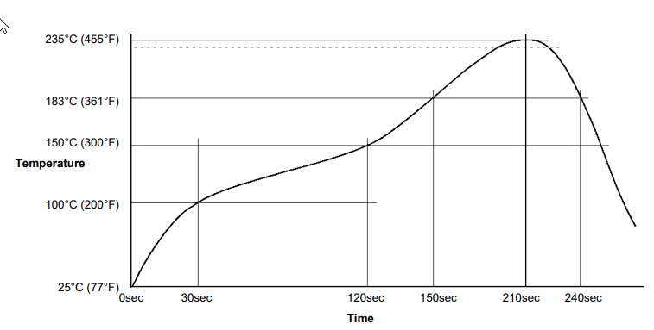
Chipquik TS391AX50

Time step | 10

Datasheet Profile
Time | 0 | 10 | 20 | 30 | 40 | 50 | 60 | 70 | 80 | 90 | 100 | 110 | 120 | 130 | 140 | 150 | 160 | 170 | 180 | 190 | 200 | 210 | 220 | 230 | 240 | 250 | 260 | 270
Temperature | 25 | 50 | 75 | 100 | 106 | 111 | 117 | 122 | 128 | 133 | 139 | 144 | 150 | 161 | 172 | 183 | 192 | 200 | 209 | 218 | 226 | 235 | 218 | 200 | 183 | 158 | 133 | 108

Translated in Time for Oven
Time | 0 | 10 | 20 | 30 | 40 | 50 | 60 | 70 | 80 | 90 | 100 | 110 | 120 | 130 | 140 | 150 | 160 | 170 | 180 | 190 | 200 | 210 | 220 | 230 | 240 | 250 | 260 | 270 | 280 | 290 | 300 | 310
Temperature | 50 | 50 | 50 | 75 | 100 | 105.55555556 | 111.11111111 | 116.66666667 | 122.22222222 | 127.77777778 | 133.33333333 | 138.88888889 | 144.44444444 | 150 | 161 | 172 | 183 | 191.66666667 | 200.33333333 | 209 | 217.66666667 | 226.33333333 | 235 | 217.66666667 | 200.33333333 | 183 | 158 | 133 | 108 | 83 | 58 | 33

*Red entries are points where slope changes.

63-37 Standard
Standard 63Sn/37Pb Leaded Profile

Time step | 10

Time | 0 | 10 | 20 | 30 | 40 | 50 | 60 | 70 | 80 | 90 | 100 | 110 | 120 | 130 | 140 | 150 | 160 | 170 | 180 | 190 | 200 | 210 | 220 | 230 | 240 | 250 | 260 | 270 | 280 | 290 | 300 | 310 | 320 | 330 | 340 | 350 | 360 | 370
Temperature | 50 | 50 | 50 | 60 | 73 | 86 | 100 | 113 | 126 | 140 | 143 | 147 | 150 | 154 | 157 | 161 | 164 | 168 | 171 | 175 | 179 | 183 | 195 | 207 | 215 | 207 | 195 | 183 | 168 | 154 | 140 | 125 | 111 | 97 | 82 | 68 | 54 | 0

*Red entries are points where slope changes.

Custom 1
Custom 1 Profile

Time step size | 10

Time | 0 | 10 | 20 | 30 | 40 | 50 | 60 | 70 | 80 | 90 | 100 | 110 | 120 | 130 | 140 | 150 | 160 | 170 | 180 | 190 | 200 | 210 | 220 | 230 | 240 | 250 | 260 | 270 | 280 | 290 | 300 | 310 | 320 | 330 | 340 | 350 | 360 | 370
Temperature | 50 | 50 | 50 | 60 | 73 | 86 | 100 | 113 | 126 | 140 | 143 | 147 | 150 | 154 | 157 | 161 | 164 | 168 | 171 | 175 | 184 | 193 | 202 | 211 | 220 | 207 | 195 | 183 | 168 | 154 | 140 | 125 | 111 | 97 | 82 | 68 | 54 | 0

*Red entries are points where slope changes.

Custom 2
Custom 2 Profile

Time step | 10

Time | 0 | 10 | 20 | 30 | 40 | 50 | 60 | 70 | 80 | 90 | 100 | 110 | 120 | 130 | 140 | 150 | 160 | 170 | 180 | 190 | 200 | 210 | 220 | 230 | 240 | 250 | 260 | 270 | 280 | 290 | 300 | 310 | 320 | 330 | 340 | 350 | 360 | 370
Temperature | 50 | 50 | 50 | 60 | 73 | 86 | 100 | 113 | 126 | 140 | 143 | 147 | 150 | 154 | 157 | 161 | 164 | 168 | 171 | 175 | 185 | 194 | 203 | 212 | 221 | 230 | 219 | 208 | 194 | 180 | 166 | 152 | 138 | 124 | 110 | 96 | 82 | 68

*Red entries are points where slope changes.

